Spring Sales
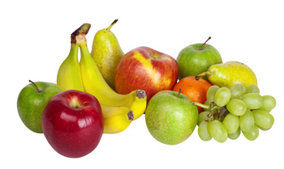 Farmers Market

 | Product | March | April | May | Total
 | Fruits | $3,900.00 | $7,200.00 | $9,538.00 | $20,638.00
 | Vegetables | $1,520.00 | $6,438.00 | $4,533.00 | $12,491.00
 | Jam & Honey | $5,030.00 | $6,738.00 | $8,323.00 | $20,091.00

New Products

Summer Sales
Farmers Market

 | Products | June | July | August | Total
 | Baked | 1566 | 1709 | 1854 | 5129
 | Dairy | 2532 | 3209 | 4356 | 10097
 | Meat & Eggs | 6670 | 7580 | 8864 | 23114
 | Fruits | 4577 | 8908 | 10858 | 24343
 | Vegetables | 3300 | 8321 | 11876 | 23497
 | Jams & Honey | 8254 | 7396 | 9508 | 25158

Top Sellers

